Sheet1
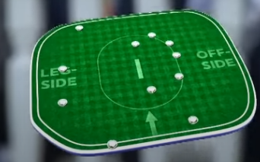
Balls | length of ball | Direction of the strike | Runs secured | Batsman on strike | Type Of Shot | Wicket | summary | field setup for the over
49.1 | Yorker | Towards the covers | 0 | Ben Stokes | Stroke | - | Boult delivered a yorker just outside off stump; Stokes jabbed it to the left of extra-cover. No run was taken. | 3 fielders towards the off side covers 1 leg slip
49.2 | Yorker | Towards the covers | 0 | Ben Stokes | Stroke | - | Another yorker outside off; Stokes jabbed it more or less straight to extra-cover. Again, no run. | 1 fileder towards longoff
49.3 | Outside Off | Mid-Wicket | 6 | Ben Stokes | Slog Sweep | - | Boult bowled a slower full ball outside off. Stokes, dropping to one knee, slog-swept it over midwicket for a six. | 1 fielders towards the longon
49.4 | Full | Mid-Wicket | 2+4 | Ben Stokes | Pull | - | Stokes hit a full-toss on middle stump towards deep midwicket. As he dived to complete a second run, Ben Stokes' dive deflected Guptill's throw to the boundary, resulting in six runs | 1 fielder towards deep extra cover
49.5 | Outside- Off | Long-Off | 1 | Ben Stokes | Stroke | Run Out(Rashid) | Strokes hammers the ball towards the long off but in attempt to take a double they lose adil rashid's wicket in an easy run out by mitchelle santner. Boult regrets not throwing the ball to the keeper's end as ben stokes's wicket was more important than that of adil rashid. | 1 fielder towards thirdman
50 | Full | Long-On | 1 | Ben Stokes | Stroke | Run Out(Wood) | Facing a full-toss on middle, Stokes hacked it down to long-on. He tried for a second run, but Mark Wood was run out at the bowler's end.

